
 |  |  |  | CODE: |  |  | pl1048 aa SN from 96D673
DESCRIPTION: |  | FRONT HEAD LIFT |  | KOPFHEBEVORRICHTUNG | SOULEVEMENT TETE | LEVANTAMIENTO CABEZA | SOLL.ANTERIORE TESTATA
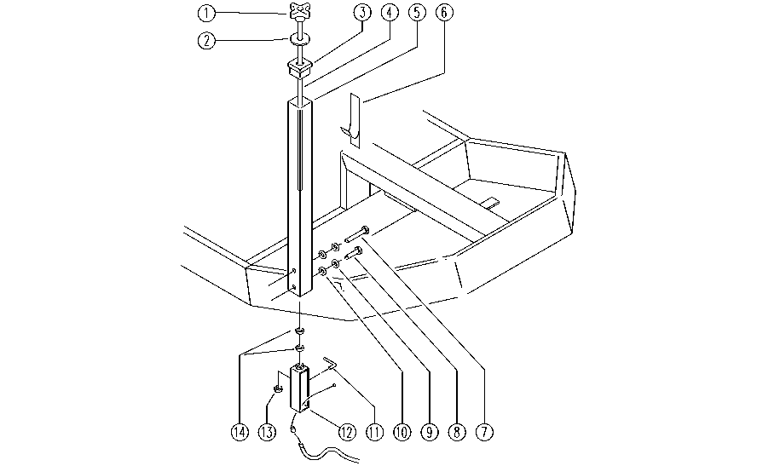

REF. | CODE | DESCRIPTION | QT
1 | E86852 | Squeegee Knob AS30/36 | 1
2 | E86588 | washer FS28/32 | 1
3 | SL14308 | CAP | 1
4 | SL04287 | BAR | 1
5 | SL09746 | STRUCTURAL | 1
6 | SL25903 | ADESIVE LABEL | 1
7 | SL04019 | SCREW | 1
8 | SL04023 | SCREW | 1
9 | E86702 | Cham Washer D8 | 2
10 | E86726 | Washer | 2
11 | SL07316 | INDICATOR | 1
12 | SL09747 | PLATE | 1
13 | E86853 | Nyloc Hex Nut, M8 Zinc | 1
14 | E86703 | Nut M8 | 2

